In_class
Minining Problem

 |  | Wythe | Giles
 | Nr of extra months to operate | X1 | X2
 |  | 4 | 3
objetivos:
 | min production costs | 40 | 32 |  | Z1 = | 256
 | min toxic waste | 800 | 1250 |  | Z2 = | 6950
 | min accidents | 0.2 | 0.45 |  | z3 = | 2.15
 |  |  |  |  |  |  |  |  | x1 | x2 | z1_opt | z2_opt | z3_opt
restrições: |  |  |  | totals |  | RHS |  |  | 2.5 | 4.5 | 244 | 7625 | 2.525
 | production of high grade coal | 12 | 4 | 60 | >= | 48 | (12 x1+4x2>=48) |  | 4 | 3 | 256 | 6950 | 2.15
 | production of medium grade coal | 4 | 4 | 28 | >= | 28 |  |  | 10 | 0 | 400 | 8000 | 2
 | production of low grade coal | 10 | 20 | 100 | >= | 100
 |  |  |  |  |  |  |  |  | (W1,W2,W2) = (1,1,1) |  |  | (x1,x2) = | 4 | 3
 |  |  |  |  |  |  |  |  | (W1,W2,W2) = (10,1,1) |  |  | (x1,x2) = | 2.5 | 4.5
 |  |  |  |  |  | wi |  |  | (W1,W2,W2) = (1,10,1) |  |  | (x1,x2) = | 4 | 3
 |  |  |  |  |  | 3 | 0.049180327869 |  | (W1,W2,W2) = (1,1,10) |  |  | (x1,x2) = | 10 | 0
 |  |  |  |  |  | 2 | 0 |  | (W1,W2,W2) = (3,2,1) |  |  | (x1,x2) = | 4 | 3
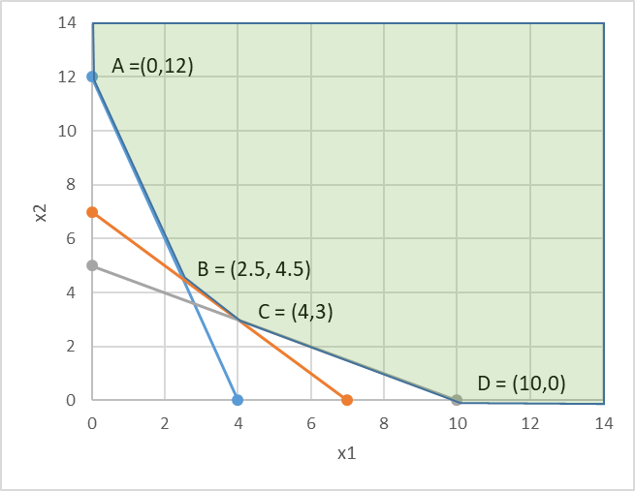
 |  |  |  |  |  | 1 | 0.075

 |  |  |  |  |  |  | Z_final | 0.22254098361

Graphic
 | x1 | x2 | RHS
production of high-level coal | 12 | 4 | 48
production of medium-level coal | 4 | 4 | 28
production of low-level coal | 10 | 20 | 100

 |  |  |  | x1 | x2 |  |  | 40 | 32
 |  | 12 x1 + 4 x2 =48 |  | 0 | 12 |  |  | 800 | 1250
 |  |  |  | 4 | 0 |  |  | 0.2 | 0.45
 |  | 4 x1 + 4 x2 =28 |  | 0 | 7
 |  |  |  | 7 | 0
 |  | 10 x1 + 20 x2 =100 |  | 0 | 5
 |  |  |  | 10 | 0

A =(0,12)
C = (4,3)
B = (2.5, 4.5)
D = (10,0)

 |  |  |  |  |  |  | x1 | x2 | Z1 | Z2 | Z3
 |  |  |  |  |  | A | 0 | 12 | 384 | 15000 | 5.4
 |  |  |  |  |  | B | 2.5 | 4.5 | 244 | 7625 | 2.525
 |  |  |  |  |  | C | 4 | 3 | 256 | 6950 | 2.15
 |  |  |  |  |  | D | 10 | 0 | 400 | 8000 | 2

Ex1_Min_Costs_1
Exercise 1
Blackstone Mining Company operates 2 coal mines Wythe and Giles. The manager is anticipating a demand increase for coal in the coming year and he wants to schedule extra shifts of workers to the mines. Each extra shift has an extra cost of 40000/month at Wythe and 32000/month at Giles.
The extraction methods lead to the production of toxic water. Running an extra shift at Wythe leads to the production of 800 gallons and 1250 gallons at Giles.
Despite safety guidelines are followed 0.2 life threatening accidents are expected at Wythe and 0.45 at Giles

Mining Company
Solver
 |  |  |  | Wythe | Giles
Decision variables | Nr of extra months to operate |  |  | x1 | x2
 |  |  |  | 2.5 | 4.5

 |  |  |  |  |  | totals
Objectives: |  |  | Minimize the costs with the extra shifts | 40 | 32 | 244 |  | OF1
 |  |  | Minimize the production of toxic water | 800 | 1250 | 7625
 |  |  | Minimize the nr of life threatning accidents | 0.2 | 0.45 | 2.525

 |  |  |  |  |  |  |  | RHS
Constraints: | production of high-level coal |  |  | 12 | 4 | 48 | >= | 48
 | production of medium-level coal |  |  | 4 | 4 | 28 | >= | 28
 | production of low-level coal |  |  | 10 | 20 | 115 | >= | 100

Determine the number of extra shifts at each of the mines that minimizes costs, toxic waste production and life threatening accidents
 | Goal Function= Min ( | W1 * abs (Actual OF1- Optimum OF1) / Optimum OF1) +
 |  | W2 * abs (Actual OF2- Optimum OF2) / Optimum OF2) +
 |  | W3 * abs (Actual OF3- Optimum OF3) / Optimum OF3) +

Ex1_Min_waste_2
Mining Company

Solver
 |  |  | Wythe | Giles
Decision variables | Nr of extra months to operate |  | x1 | x2
 |  |  | 4 | 3

 |  |  |  |  | totals
Objectives: |  | Minimize the costs with the extra shifts | 40 | 32 | 256
 |  | Minimize the production of toxic water | 800 | 1250 | 6950 | OF2
 |  | Minimize the nr of life threatning accidents | 0.2 | 0.45 | 2.15

 |  |  |  |  |  | RHS
Constraints: | production of high-level coal |  | 12 | 4 | 60 | 48
 | production of medium-level coal |  | 4 | 4 | 28 | 28
 | production of low-level coal |  | 10 | 20 | 100 | 100

Ex1_Min_accidents_3
Mining Company

Solver
 |  |  | Wythe | Giles
Decision variables | Nr of extra months to operate |  | x1 | x2
 |  |  | 10 | 0

 |  |  |  |  | totals
Objectives: |  | Minimize the costs with the extra shifts | 40 | 32 | 400
 |  | Minimize the production of toxic water | 800 | 1250 | 8000
 |  | Minimize the nr of life threatning accidents | 0.2 | 0.45 | 2 | OF3

 |  |  |  |  |  | RHS
Constraints: | production of high-level coal |  | 12 | 4 | 120 | 48
 | production of medium-level coal |  | 4 | 4 | 40 | 28
 | production of low-level coal |  | 10 | 20 | 100 | 100

Ex1_WeightedGoal_4
Mining Company

Actual
 |  |  |  | Wythe | Giles |  |  |  | (40 x1+32 x2)
Decision variables | Nr of extra months to operate |  |  | x1 | x2 |  |  |  | (830 x1 + 1250 x2)
 |  |  |  | 0 | 0 |  |  |  | (0.2 x1 + 0.45 x2)

 |  |  |  |  |  | totals
Objectives: |  |  | Minimize the costs with the extra shifts | 40 | 32 | 0 | OF1
 |  |  | Minimize the production of toxic water | 800 | 1250 | 0 | OF2
 |  |  | Minimize the nr of life threatning accidents | 0.2 | 0.45 | 0 | OF3

 |  |  |  |  |  |  | RHS
Constraints: | production of high-level coal |  |  | 12 | 4 | 0 | 48
 | production of medium-level coal |  |  | 4 | 4 | 0 | 28
 | production of low-level coal |  |  | 10 | 20 | 0 | 100

Solver
3rd Goal Form (weighted method):
 |  |  |  |  |  | weights
 | Minimize OF1 (disregard OF2, OF3) |  |  | optimum OF1 | 244 | 1
 | Minimize OF2 (disregard OF1, OF3) |  |  | optimum OF2 | 6950 | 1
 | Minimize OF3 (disregard OF1, OF2) |  |  | optimum OF3 | 2 | 1

 | Goal Function= Min ( | W1 * abs (Actual OF1- Optimum OF1) / Optimum OF1) + |  |  |  |  | 1.0000 | Goal function = | 3
 |  | W2 * abs (Actual OF2- Optimum OF2) / Optimum OF2) + |  |  |  |  | 1.0000
 |  | W3 * abs (Actual OF3- Optimum OF3) / Optimum OF3) |  |  |  |  | 1.0000
 |  |  |  |  |  |  | 3.0000

