Sheet1
3.1. Fitting the Lundqvist-Korf function to data from one permanent plot
Use the EXCEL to fit the Lundqvist-Korf function to the data in the file 4GrowthFunctions-Exercises-data.xls. Start by making a “trial and error” fitting and, finally, use the SOLVER tool.

 |  |  | Lundqvist Integral form

t | V
4.0833333333 | 77.72
4.75 | 117.06
5.6666666667 | 158.49
6.8333333333 | 196.73
7.5833333333 | 233.37
8.6666666667 | 260.81
9.5 | 297.91
10.5 | 324.82
11.583333333 | 399.26
12.583333333 | 437.25
13.75 | 487.86
14.75 | 513.3
15.583333333 | 527.64

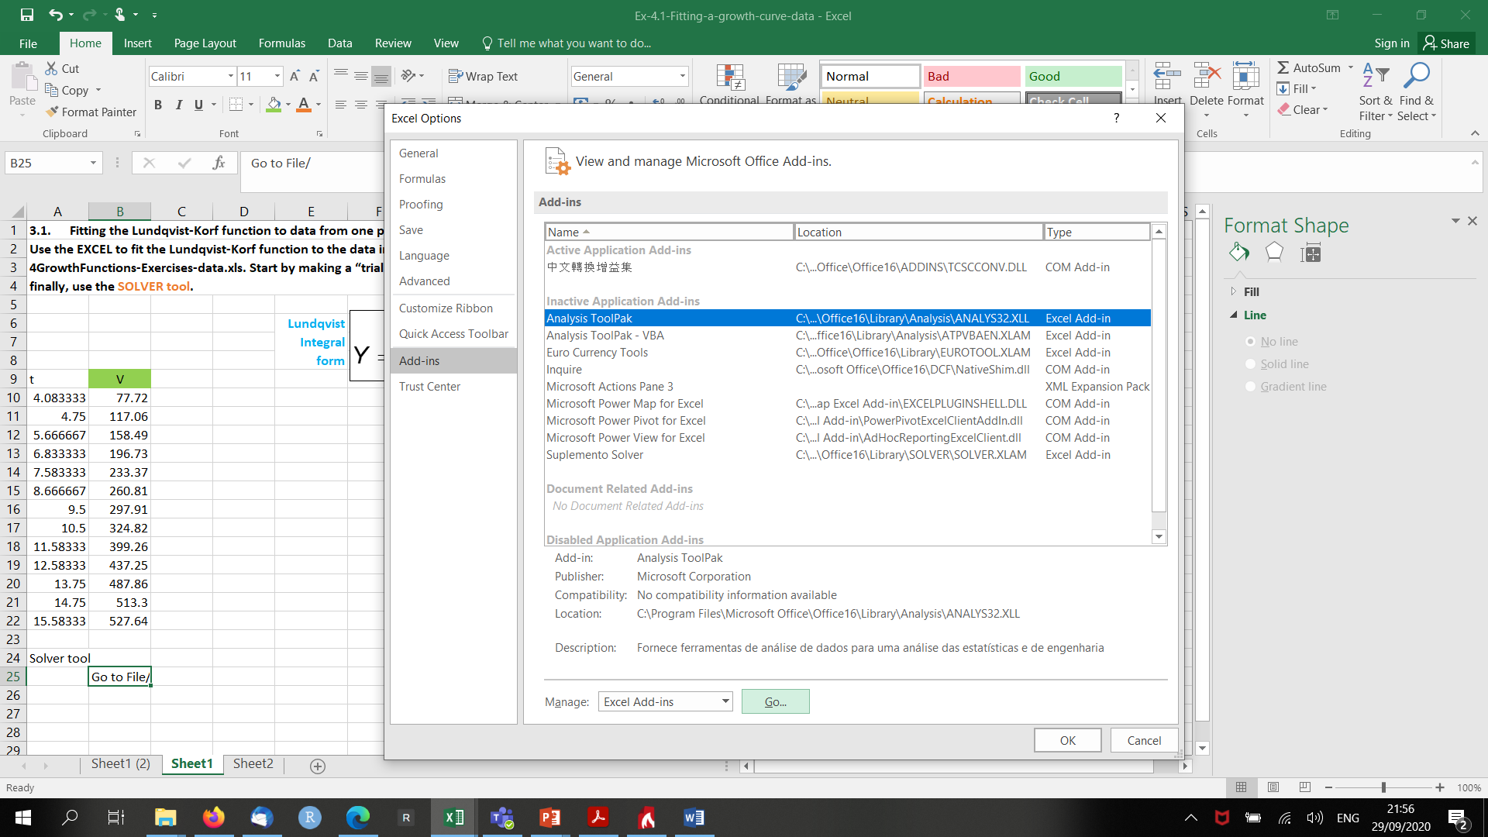
Solver tool
 | Go to: | File/ options /Add-ins/ Analysis ToolPak |  | then in the new window select "suplement Solver" / OK
 |  |  |  |  | Solver should now show under the tab Data / Analyze

